road map improvement
 |  | 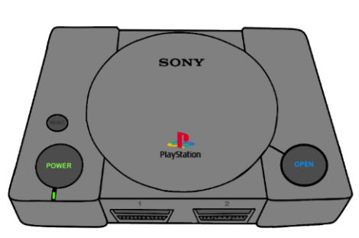
 |  | playstation 1 (1994) | playstation 2 (2000) | playstation 3 (2006) | playstation 4 (2013) | playstation 4 pro (2016) | playstation 5 (2020)
CPU |  | R3000A (33 MHz) | Emotion Engine (294 MHz) | Cell Broadband Engine (3.2 GHz) | AMD Jaguar (8 cores) |  | AMD Zen 2 (3.5 GHz, 8 cores)
GPU |  | 32-bit, 1 MB VRAM | Graphics Synthesizer (150 MHz) | RSX “Reality Synthesizer” | AMD GCN, 1.84 TFLOPS | AMD GCN 4.2 TFLOPS | RDNA 2, 10.28 TFLOPS
RAM |  | 2 MB | 32 MB | 256 MB VRAM + 256 MB XDR | 8 GB GDDR5 |  | 16 GB GDDR6
OPSLAG |  | CD-ROM | DVD-ROM, HDD-optie | 20–500 GB HDD | 499 GB – 2 TB HDD | 1 TB HDD | 825 GB SSD
Resoluties |  | 240p - 480i | 480i - 1080i (beperkt) | 720p - 1080p | 1080p - 4K (media playback) | 1440p - 4K | 4K - 8K (beperkt)
I/O | Ethernet |  | dail- up and 100Mb/s | Gigabit
 | USB |  | (1.1) x2 | (2.0 ) x 4 | (3.0) x 1 | (3.1) x 2 | 3.1 / C
 | wifi |  |  | 802.11 b/g | 802.11 b/g/n | 802.11 a/b/g/n/ac | 802.11 a/b/g/n/ac/ax
 | TV interface | Composite RCA AV Cable (S-Video) |  | HDMI 1.3a | HDMI 1.3 | HDMI 2.0 | HDMI 2.1
 | Bluetooth |  |  | 2.0 | 2.0 | 4.0 | 5.1
 | audio |  |  | SPIDF

